FM412BXPB14
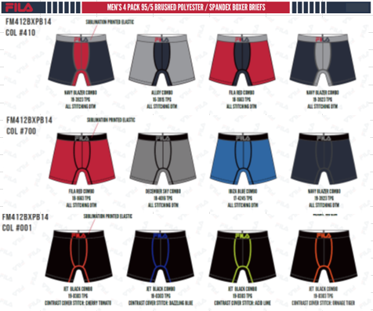
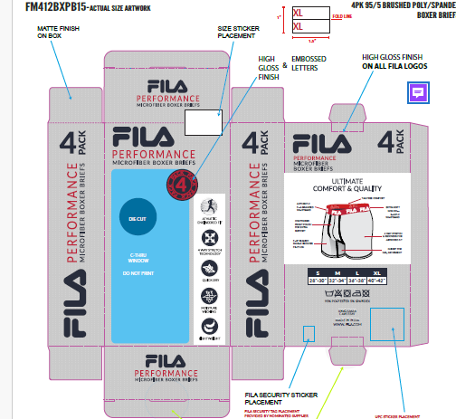
FILA MEN'S UNDERWEAR 2024
UPDATED INVENTORY
DATE: | 2026-03-31

STYLE | DESCRIPTION/FABRIC/CONTENT | STYLE REF. | COLOR | SIZE | ATS
FM412BXPB14 | 4PK BOXER BRIEF | FM412BXPB14 | 410 NAVY | S | 1608
 | BRUSHED JERSEY - 95/5 POLY SPANDEX | FM412BXPB14 | 410 NAVY | M | 2328
 | 155 GSM | FM412BXPB14 | 410 NAVY | L | 2880
 | PACKAGING: BOXED | FM412BXPB14 | 410 NAVY | XL | 1536
 |  | FM412BXPB14 | 700 GREY | S | 1224
 | CARTON PACKING - 24 PACKS | FM412BXPB14 | 700 GREY | M | 2040
 | SOLID SIZE & SOLID COLOR | FM412BXPB14 | 700 GREY | L | 2184
 |  | FM412BXPB14 | 700 GREY | XL | 1248
MSRP | $42.00 US | FM412BXPB14 | 001 BLACK | S | 378
 |  | FM412BXPB14 | 001 BLACK | M | 0
 |  | FM412BXPB14 | 001 BLACK | L | 238
 |  | FM412BXPB14 | 001 BLACK | XL | 120
 |  |  |  |  | 15784

FM412BXPB (2PK)
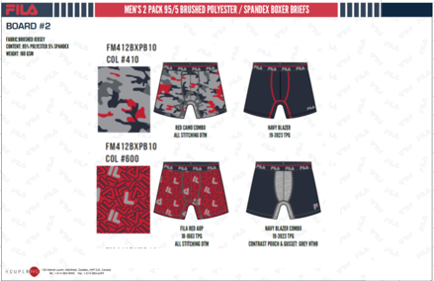
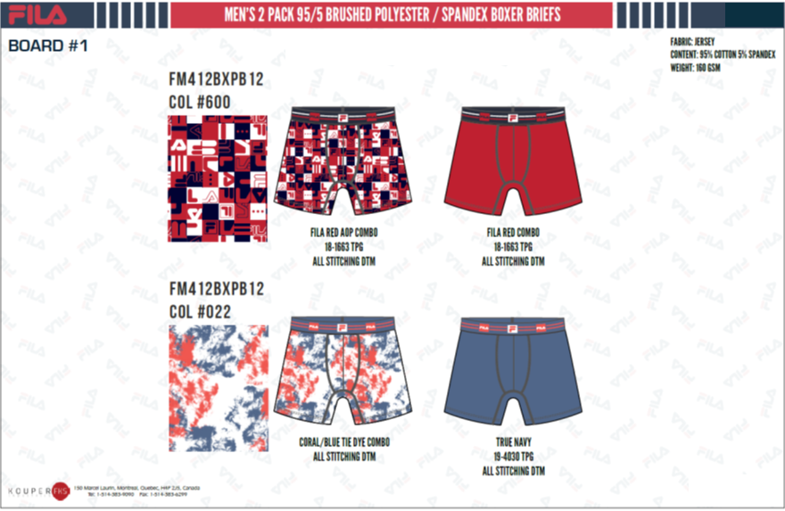
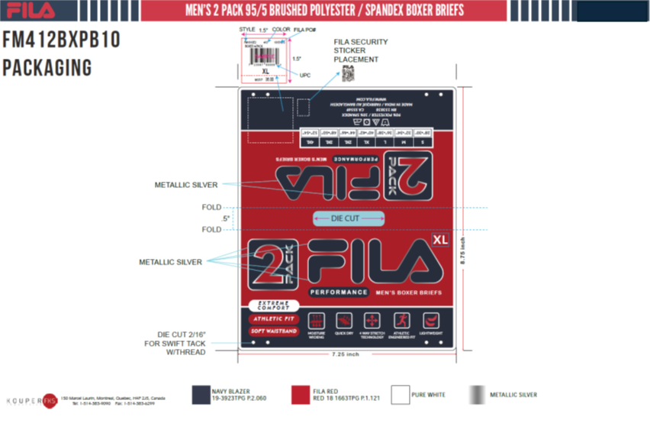
FILA MEN'S UNDERWEAR 2024
UPDATED INVENTORY
DATE: | 2026-03-31

STYLE | DESCRIPTION/FABRIC/CONTENT | REF. | COLOR | SIZE | ATS
FM412BXPB(2PK) | 2PK BOXER BRIEF | PB10 | 410 NAVY | S | 188
 | JERSEY - 95/5 BRUSHED POLY SPANDEX | PB10 | 410 NAVY | M | 136
 | 155 GSM | PB10 | 410 NAVY | L | 137
 | PACKAGING: BOXED | PB10 | 410 NAVY | XL | 0
 |  | PB12 | 600 RED | S | 1078
 | CARTON PACKING - 24 PACKS | PB12 | 600 RED | M | 1652
 | SOLID SIZE & SOLID COLOR | PB12 | 600 RED | L | 1844
 |  | PB12 | 600 RED | XL | 1006
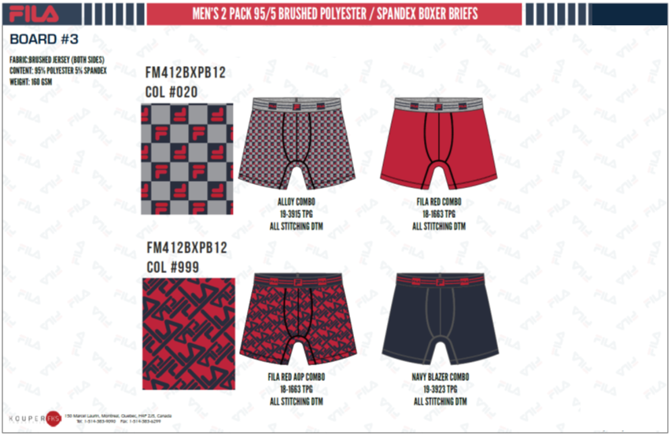
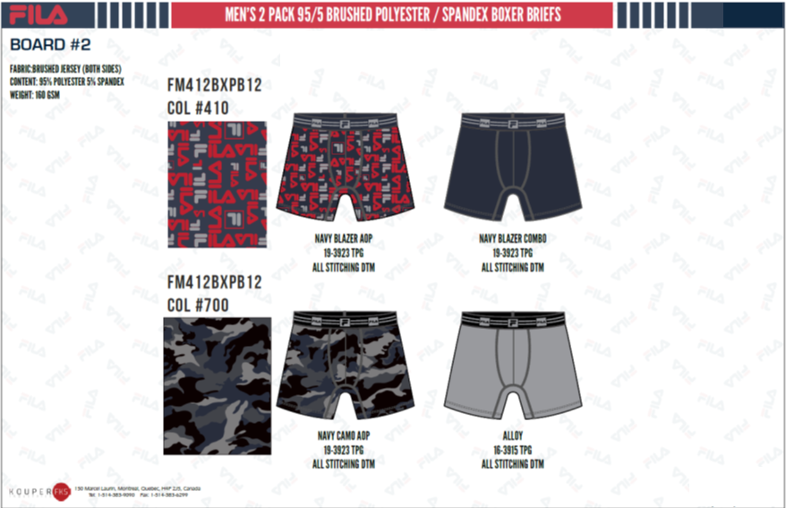
 |  | PB12 | 020 GREY RED | S | 1102
 |  | PB12 | 020 GREY RED | M | 1508
MSRP | $30.00 US | PB12 | 020 GREY RED | L | 1796
 |  | PB12 | 020 GREY RED | XL | 814
 |  | PB12 | 999 AOP | S | 1668
 |  | PB12 | 999 AOP | M | 2976
 |  | PB12 | 999 AOP | L | 3216
 |  | PB12 | 999 AOP | XL | 1524
 |  | PB12 | 410 NAVY AOP | S | 670
 |  | PB12 | 410 NAVY AOP | M | 364
 |  | PB12 | 410 NAVY AOP | L | 548
 |  | PB12 | 410 NAVY AOP | XL | 118
 |  | PB12 | 700 GREY BLK | S | 1148
 |  | PB12 | 700 GREY BLK | M | 1432
 |  | PB12 | 700 GREY BLK | L | 1600
 |  | PB12 | 700 GREY BLK | XL | 740
 |  | PB12 | 022 CORAL | S | 598
 |  | PB12 | 022 CORAL | M | 1004
 |  | PB12 | 022 CORAL | L | 908
 |  | PB12 | 022 CORAL | XL | 382
 |  |  |  |  | 30157

